Sheet2
Spending Tracker
Christmas Shopping List |  |  | Progress Table |  |  | Totals
Name | Price | Completed | Completed Items | Total Items | Progress | Total Spent So Far | £20.00
Turkey | £5.00 | TRUE | 9 | 9 | 100.0 | Spending Target | £100.00
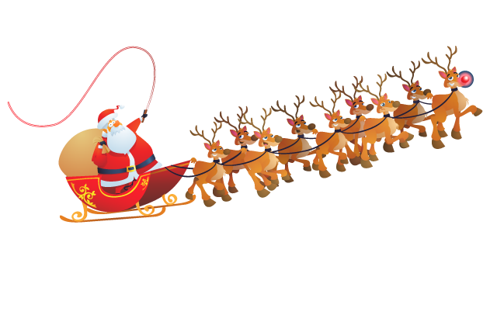
Stuffing | £4.00 | TRUE |  |  |  | Current % of Target | 20.00%

Potatoes | £3.00 | TRUE
Crackers | £2.00 | TRUE
Crisps | £1.00 | TRUE
Sausages | £1.00 | TRUE
Chocolate | £2.00 | TRUE
Carrots | £1.00 | TRUE
Broccoli | £1.00 | TRUE

Total | £20.00

The Christmas Shop



 |  |  |  |  |  | Rejected

